Data
loads | cycles | censor
253 | 5000140 | 0
344 | 527645 | 1
295 | 1533734 | 1
273 | 5000098 | 0
337 | 929927 | 1
287 | 5000144 | 0
310 | 873032 | 1
287 | 5000142 | 0
310 | 1514252 | 1
287 | 5000144 | 0
310 | 5000144 | 0
310 | 330096 | 1
287 | 2597499 | 1
266 | 5000140 | 0
287 | 5000146 | 0
310 | 753076 | 1
287 | 5000146 | 0
310 | 797058 | 1
287 | 5000133 | 0
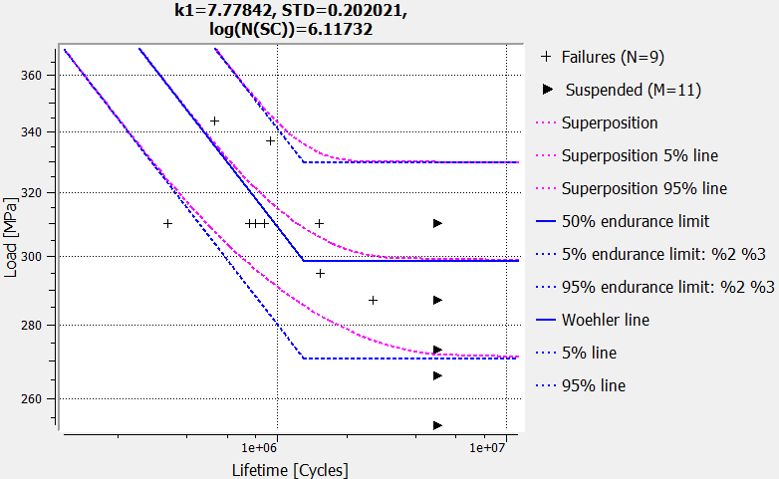
310 | 5000135 | 0

Jurojin_results
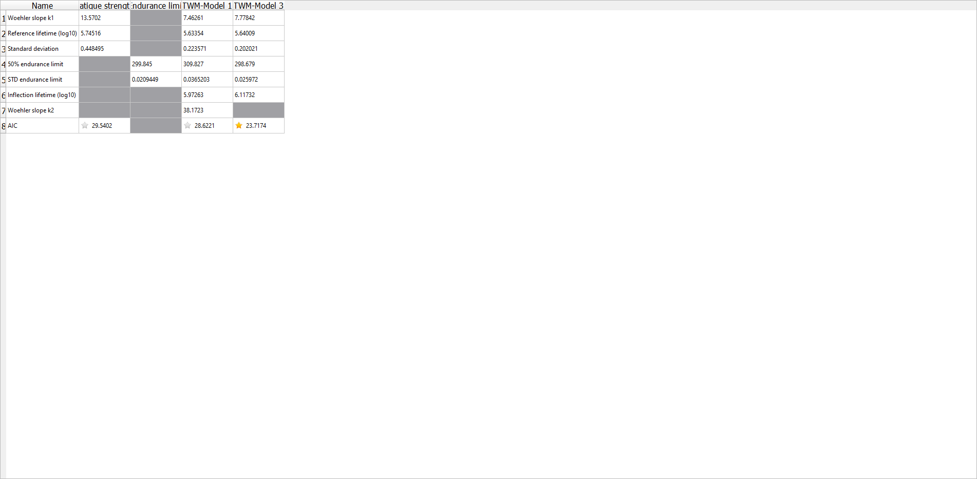
k | 7.8
ND | 1310146.9194
Pü50 | 299
slog | 0.026

